Input
 | Inch
O.C. | 48 |  |  |  |  |  | Center
O.C left over | 22.5
Wood Stud Width | 1.5
Wall Height | 204
Number of Intermediate sections | 5

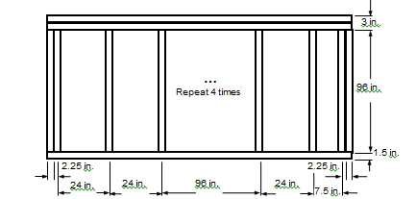
Center | Inch |  | End1 | Inch | End2 | Inch
Sill | 1.5 |  | Sill | 1.5 | Sill | 1.5
Head | 3 |  | Head | 3 | Head | 3
Jamb-L | 0.75 |  | Jamb-L | 1.5 | Jamb-L | 0.75
Jamb-R | 0.75 |  | Jamb-R | 0.75 | Jamb-R | 1.5

KWALL - Middle

 |  | IP [Btu/hr-ft2-F]

 | Frame | Edge | Center
Hor-Intermediate | 0.0241 | 0.0240 | 0.0230
Hor-End1 | 0.0235 | 0.0233
Hor-End2 | 0.0235 | 0.0234
Ver-Head | 0.0474 | 0.0315
Ver-Sill | 0.0496 | 0.0385

 | SI [W/m2-k]

 | Frame | Edge | Center
Hor-Intermediate | 0.1366 | 0.1361 | 0.1304
Hor-End1 | 0.1334 | 0.1325
Hor-End2 | 0.1335 | 0.1326
Ver-Head | 0.269 | 0.1786
Ver-Sill | 0.2814 | 0.2186

